Bug report2(Appointment)
Category | Lable | Value
Bug ID 002 | ID Number: Name: Repoter: Submit date : | #BID_002 : Bug :Not able to add New Appointment swaroop 16/09/2023
 | Summary | when we click on New Appointmennt link and try to add a new appointment,user is not able to select the doctor as the doctors drop down list is empty and not able to make a new appointment
 | URL | http://cls-medsol.in/login
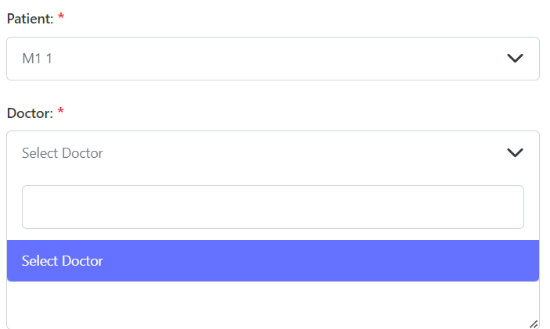
 | Screenshot

 | Platform | Windows 11
Environment | Operating system | Windows 11
 | Browser | chrome
Bug details | Steps to reproduce | 1.open the application in chrome browser 2.login to the applicaton by providing valid credentials 3.click on the dashboard button in the home page 4.select Appointments button in the dashboard page 5.click on the New Appointment button(ER-1) 6.enter all the fields in the New Appointment page by providing valid information and click on the save button(ER-2)
 | Expected Result | 1.A new appointment popup page should be displayed with patient,doctor,date,description and status fields 2.A new appointment should be saved and displayed in the appointments list
 | Actual Result | 1.user is not able to select the doctor in the doctors dropdown list as it is empty and not able to make a new appointment
Bug Tracking | Severity: Assigned to : Priority:
Note

Bug report3(Appointment)
Category | Lable | Value
Bug ID 003 | ID Number: Name: Repoter: Submit date : | #BID_003 : Bug :Not able to add New Appointment in Appointment module swaroop 19/09/2023
 | Summary | when we click on New Appointmennt link and click on a particular date in the date field,user is not able to see the selected date
 | URL | http://cls-medsol.in/login
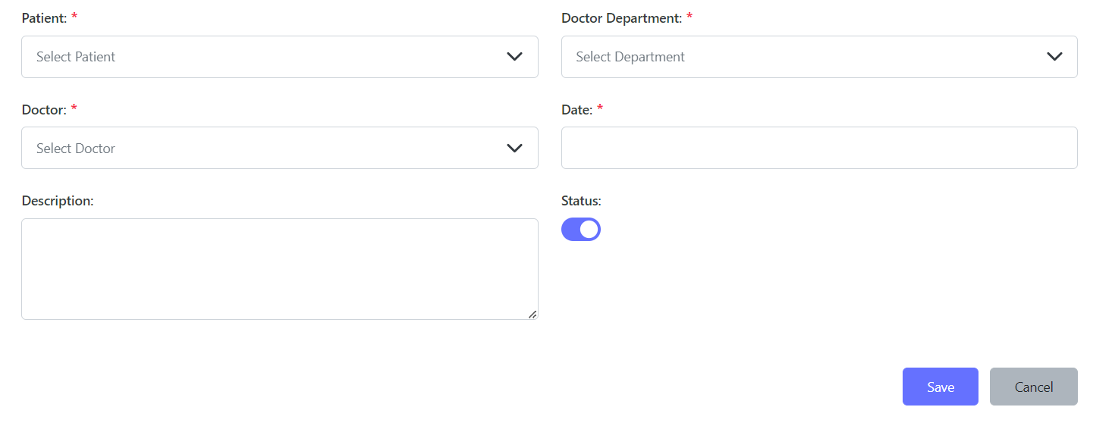
 | Screenshot

 | Platform | Windows11
Environment | Operating system | Windows11
 | Browser | Chrome
 | Steps to reproduce | 1.open the application in chrome browser 2.login to the applicaton by providing valid credentials 3.click on the dashboard button in the home page 4.select Appointments button in the dashboard page 5.click on the New Appointment button(ER-1) 6.enter all the fields 7.Try to select a date for new appointment in the date field(ER-2) 8.click on save button
 | Expected result | 1.A new appointment popup page should be displayed with patient,doctor,date,description and status fields 2.Date should be selected and displayed in the date field 3.A new appointment should be saved and displayed in the appointments list
 | Actual result | 1.After selecting the date in the calender,selected date is not displayed in the date field
Bug Tracking | Severity: Assigned to : Priority:
Note

Bug report4(Billings)
Category | Lable | Value
Bug ID 004 | ID Number: Name: Repoter: Submit date : | #BID_004 : Bug :Not able to select employee in the New Employee payroll of Billings module swaroop 19/09/2023
 | summary | when user selects employee payrolls in Billings module and try to add new employee payroll,user is not able to select employee in the select employee dropdown list as it is empty
 | URL | http://cls-medsol.in/login
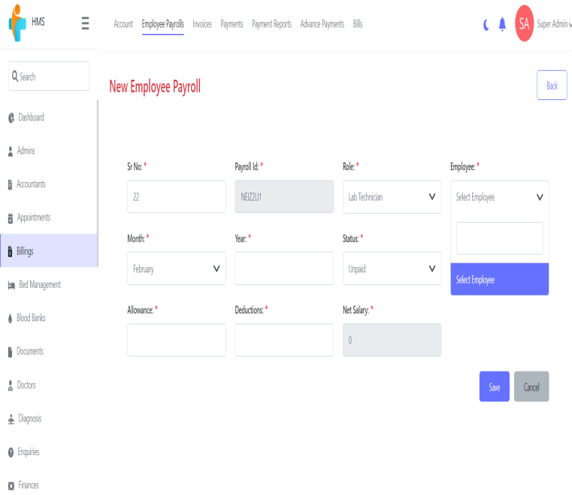
 | Screenshot

 | Platform | Windows11
Environment | Operating system | Windows11
 | Browser | Chrome
 | Steps to reproduce | 1.open the application in Chrome browser 2.login to the applicaton by providing valid credentials 3.click on the dashboard button in the home page 4.click on billings button in the dashboard page 5.select employee payrolls link in billings module 6.click on New Employee payroll 7.Add all the fields in the New employee payroll page 8.click on save button
 | Expected result | 1.User should be able to add a New Employee payroll and save it
 | Actual result | 1.User not able to select employee in the New Employee payroll of Billings module
Bug Tracking | Severity: Assigned to : Priority:
Note

Bug report5(Billings)
Category | Lable | Value
Bug ID 005 | ID Number: Name: Repoter: Submit date : | #BID_005 : Bug :Not able to create a new bill in Bills link of Billings module swaroop 19/09/2023
 | Summary | when the user tries to add a new bill in Bills link of Billing module,user is not able to select the Admission ID in the New Bill page as the admission id dropdown list is empty
 | URL | http://cls-medsol.in/login
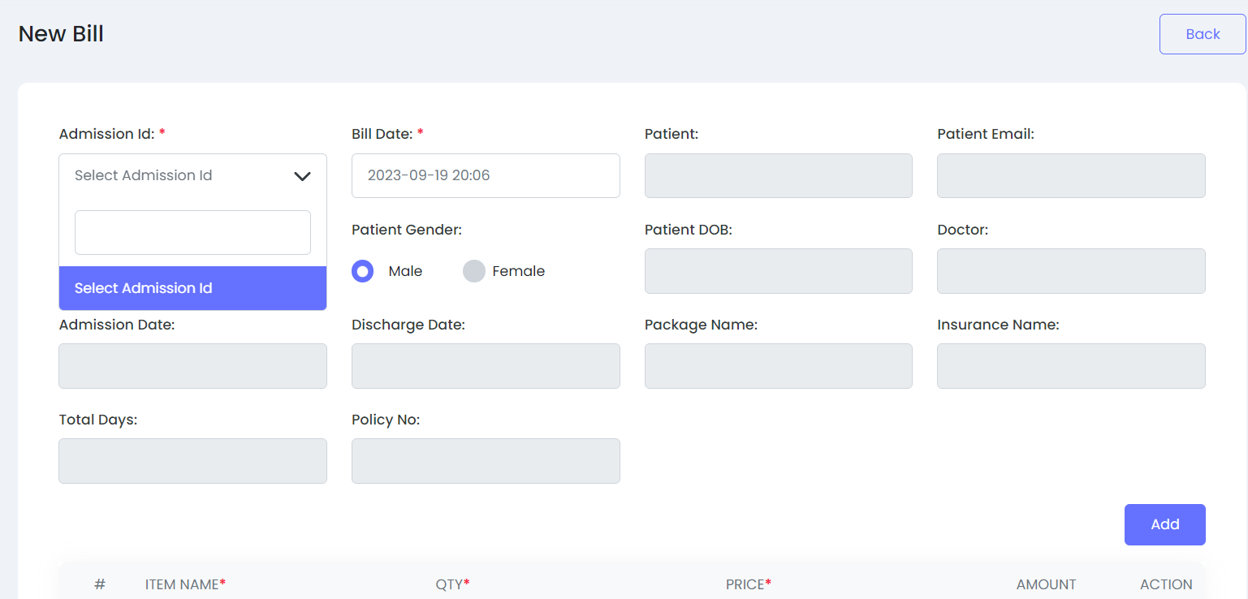
 | Screenshot

 | Platform | Windows11
Environment | Operating system | Windows11
 | Browser | Chrome
 | Steps to reproduce | 1.open the application in any browser 2.login to the applicaton by providing valid credentials 3.click on the dashboard button in the home page 4.click on billings button in the dashboard page 5.select Bills link 6.click on New Bill button 7.Add all the fields in the New Bill page 8.click on save button
 | Expected result | 1.A new bill should be created and saved
 | Actual result | 1.user is not able to select the Admission ID from the dropdown as it is empty
Bug Tracking | Severity: Assigned to : Priority:
Note

Bug report6(Bed Management)
Category | Lable | Value
Bug ID 006 | ID number Name Reporter Submit date | #BID_006: 1.Bug :Case dropdown list is not visible swaroop 20/09/2023
 | Summary | User is not able to create a New Bed Assign in Bed assigns link of Bed Management module and save it.
 | URL | http://cls-medsol.in/login
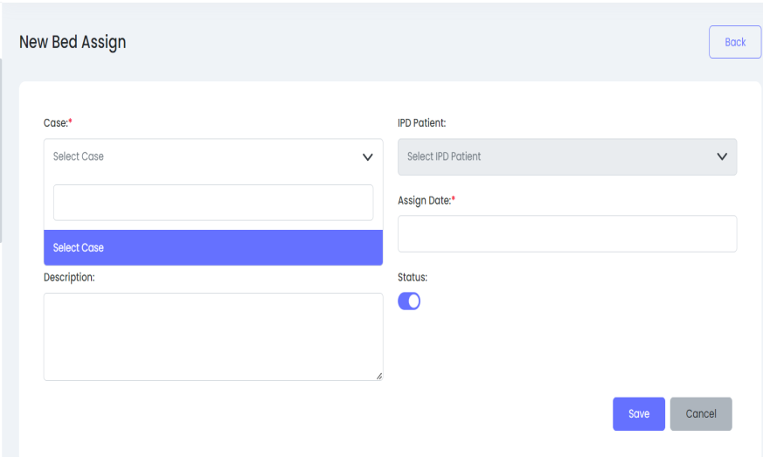
 | Screenshot

 | Platform | Windows11
Environment | Operating system | Windows11
 | Browser | Chrome
 | Steps to reproduce | 1.open the application in any browser 2.login to the applicaton by providing valid credentials 3.click on the dashboard button in the home page 4.click on bed management module in the dashboard page 5.select Bed Assigns button 6.click on Actions button 7.Select New Bed Assign button 8.Enter all the fields and click on save button
 | Expected result | user should be able to add New Bed Assign
 | Actual result | User is not able to select the case from dropdown list as it is not visible(empty)
Bug Tracking | Severity: Assigned to : Priority:
Note

Bug report7(Blood bank)
Category | Lable | Value
Bug ID 007 | ID number Name Reporter Submit date | #BID_007: 1.Bug : Doctor data is not visible in dropdown list swaroop 20/09/2023
 | Summary | User is not able to create New Blood Issue in the Blood Bank module and save it
 | URL | http://cls-medsol.in/login
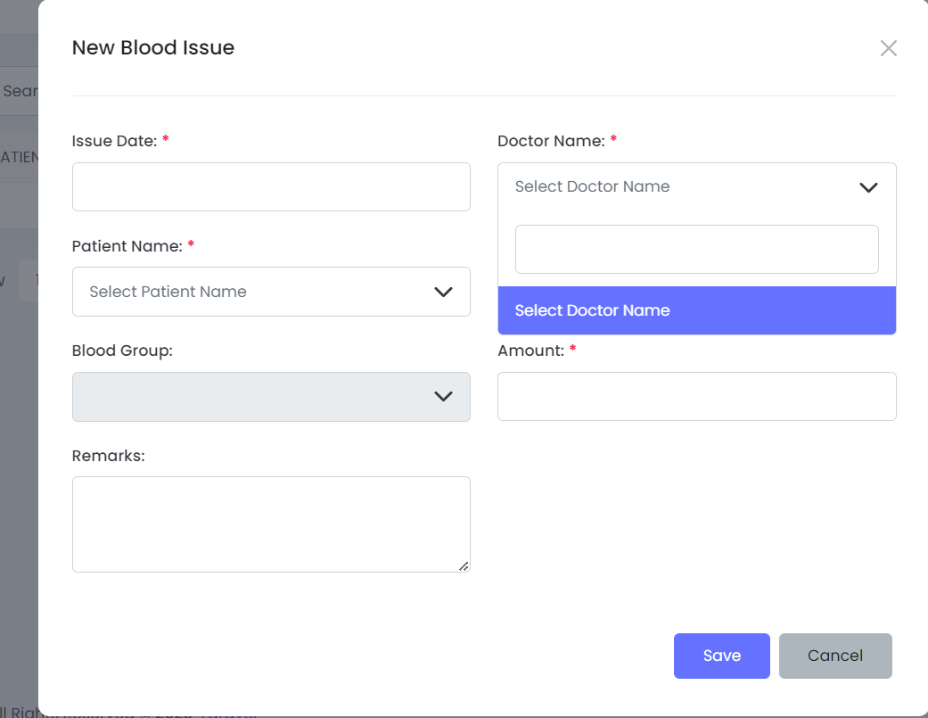
 | Screenshot

 | Steps to reproduce | 1.open the application in any browser 2.login to the applicaton by providing valid credentials 3.click on the dashboard button in the home page 4.click on blood bank module in the dashboard page 5.click on blood issues link 6.select New Blood Issue Button 7.select Doctor name
 | Expected result | User should be able to select the Doctor name
 | Actual result | User is not able to select the Doctor name as the Doctor name dropdown list is empty
Bug Tracking | Severity: Assigned to : Priority:
Note

